Overview
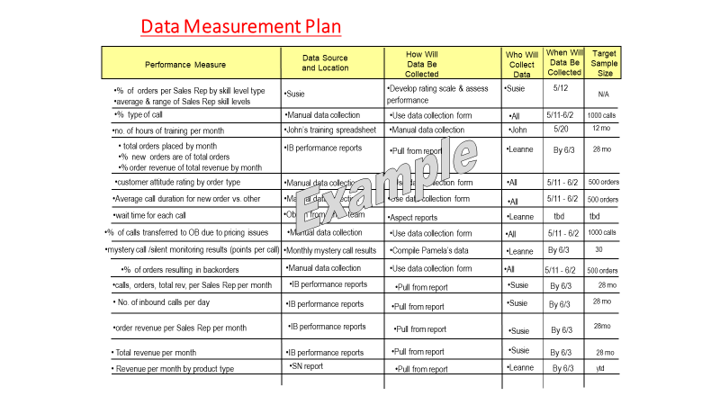
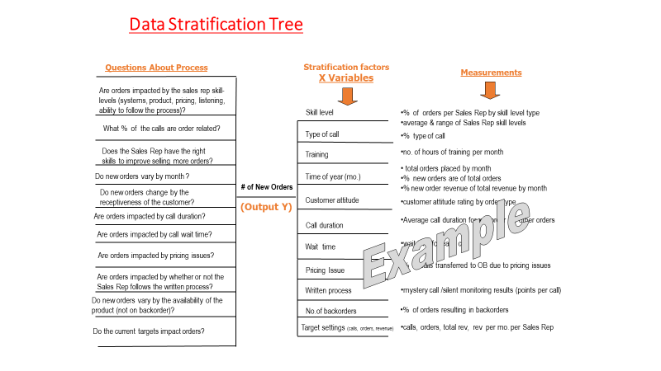
Define
 | Process Map

Measure
 | Need a sample of 30 for a continuous main measure
 |  | Need to use Sample Size Formula
 | Collect baseline data without making any changes
 | Need to include a data measurement plan in final project
 |  | Should have 3, 4 or 5 inputs

Charts
Weight Over A Month
 | Y = Weight
2020-04-16 | 175
2020-04-17 | 175.3
2020-04-18 | 175.7
2020-04-19 | 176.1
2020-04-20 | 175.3
2020-04-21 | 175.5
2020-04-22 | 174.7
2020-04-23 | 174.1
2020-04-24 | 175.1
2020-04-25 | 175.6
2020-04-26 | 176.1
2020-04-27 | 175.5
2020-04-28 | 175.9
2020-04-29 | 176.4
2020-04-30 | 176.5
2020-05-01 | 176
2020-05-02 | 176.2
2020-05-03 | 176.3
2020-05-04 | 175.9
2020-05-05 | 175.1
2020-05-06 | 174.8
2020-05-07 | 175.7
2020-05-08 | 176.3
2020-05-09 | 176.8
2020-05-10 | 177
2020-05-11 | 177.5
2020-05-12 | 177.9
2020-05-13 | 177.5
2020-05-14 | 178
2020-05-15 | 177.7
2020-05-16 | 178.3
Intensity of Workout/Activity Vs. Steps Taken
X = Intensity of Workout/Activity | Sum of X = Steps Taken
Low | 96,655
Medium | 52,024
High | 41,774

Intensity of Workout/Activity Vs. Steps Taken
 | Total
High | 64,984
Medium | 62,091
Weight Over A 2-Week Period
 | Y = Weight
2020-05-22 | 178
2020-05-23 | 177.9
2020-05-24 | 177.5
2020-05-25 | 177.2
2020-05-26 | 177.2
2020-05-27 | 176.7
2020-05-28 | 177
2020-05-29 | 176
2020-05-30 | 175.4
2020-05-31 | 175.1
2020-06-01 | 174.9
2020-06-02 | 174.7
2020-06-03 | 175
2020-06-04 | 174.3

Count of Intensity/Activity Type
X = Intensity of Workout/Activity | Count of X = Intensity of Workout/Activity
Low | 20
Medium | 7
High | 4

Count of Intensity/Activity Type (Post-Improvement)

X = Intensity of Workout/Activity | Count of X = Intensity of Workout/Activity
Medium | 8
High | 6

